Sheet1
SUPER MATERIALS ONE MEMBER COMPANY LIMITED
Tax Code. 0315502282 | Postal Code. 700000
A. 187/7 Dien Bien Phu Street, Da Kao Ward, District 1, Ho Chi Minh City, Vietnam
T. +84 98 9944 746 | F. -
E. purchasing@ss-materials.com | W. www.ss-materials.com
PURCHASE ORDER
PO No.: SM-SGSM/071019
Date: Oct 07, 2019
 |  |  |  |  |  |  | Number of page: 01
FROM: SUPER MATERIALS ONE MEMBER COMPANY LIMITED A. 187/7 Dien Bien Phu Street, Da Kao Ward, District 1 Ho Chi Minh City, Vietnam T. +84 98 9944 746 | F. - |  |  |  | TO: SG SPECIALTY METALS PTE LTD. A. 32 Penhas Road #01-01, Singapore 208191 T. +65 6398 1118 | F. +65 6398 1119 Attn: Joanne Tay

Thank you for your quote Q606772, we are pleased to ORDER the following materials:

No. | Items and Description |  |  | Quantity (Pc) | Total Weight (Kg) | Unit Price (USD/Pc) | Total Price (USD)
1 | S.DUPLEX F55 COND A (UNS S32760) - ASME SA479 |  |  | 1 | 117.5 | 1,293.00 | 1,293.00
 | Mill Origin: BGH Edelstahl Freital/Germany
 | Dimension: Round Bar 114.3mm DIA x 1450mm L
TOTAL |  | EX WORK SINGAPORE |  |  | 117.5 | USD | 1,293.00

* Lead time: |  |  | 2 to 3 working days.
* Delivery term: |  |  | Ex-Work Singapore.
* Payment: |  |  | 100% in advance.
* Required documents: |  |  | Certificate of Origin (certified by your company, no need Chamber of Commerce), Mill Test Certificates, Commercial Invoice, Packing List.

* Packing: |  |  | Standard and safe packing for export by sea.
* Marking: |  |  | Steel round bars have original marking on surface, in case round bars are cut from a big round bar please mark Material Grade, Dimension, Mill Maker and Heat Number on its surface by marker.

*Please do not attach any required documents mentioned above in/on the cargo. Send these original documents to us by express.
**All bank charges inside Vietnam are covered by Buyer and all bank charges outside Vietnam has to be covered by Seller.

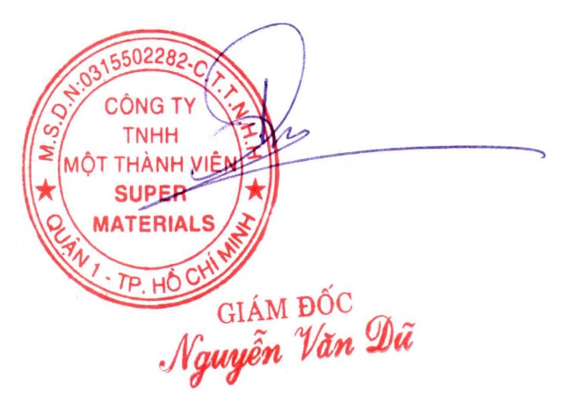
CONFIRMATION OF BUYER |  |  |  | CONFIRMATION OF SELLER

